Sheet1
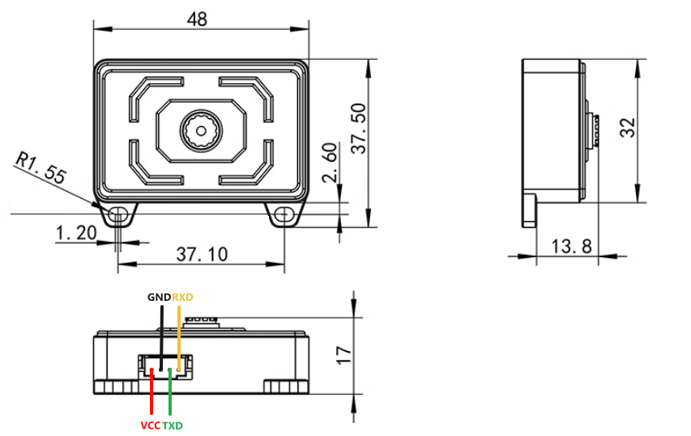
WiFi Camera Communication Protocol
Control Mode | Function Description | Data Frame |  |  |  |  |  |  |  |  | Function
 |  | Frame Header | Data bit (car status) | Delimiter | Data bits | Delimiter | Data bits | Delimiter | Data bits | Frame tail
APP control protocol (Using WIFI camera in conjunction with Yahboom Cam) | Car motion state control | $ | 1 | , | 0 | , | 0 | , | 0 | # | Forward
 |  | $ | 2 | , | 0 | , | 0 | , | 0 | # | Backward
 |  | $ | 3 | , | 0 | , | 0 | , | 0 | # | Left Translation
 |  | $ | 4 | , | 0 | , | 0 | , | 0 | # | Right Translation
 |  | $ | 5 | , | 0 | , | 0 | , | 0 | # | Counterclockwise Rotation (Left Rotation)
 |  | $ | 6 | , | 0 | , | 0 | , | 0 | # | Clockwise Rotation (Right Rotation)
 |  | $ | 7 | , | 0 | , | 0 | , | 0 | # | Stop
 | Car servo angle control (no separator) | Data Frame |  |  |  |  |  |  |  |  | Function
 |  | Frame Header |  | Data bit (servo) |  | Data bit (angle) |  |  | Frame tail
 |  | $ |  | A |  | 090 |  |  | # |  | Control servo A to rotate 90 degrees
 |  | $ |  | B |  | 045 |  |  | # |  | Control servo B to rotate 45 degrees
Serial port configuration of WiFi camera (Use USB to TTL module or program serial port to send corresponding instructions) | Setting parameters | Parameter configuration |  | 指令 |  | 示例 |  |  | 设置成功返回值 |  | Function
 |  | STA Mode Configuration |  | sta_ssid: |  | sta_ssid:Yahboom |  |  | ok |  | Connect to the WiFi named Yahboom
 |  |  |  | sta_pd: |  | sta_pd:12345678 |  |  | ok |  | Connection name is Yahboom password
 |  | AP Mode Configuration |  | ap_ssid: |  | ap_ssid:Yahboom_ESP32_WIFI |  |  | ok |  | Set the name of the self-heating point
 |  |  |  | ap_pd: |  | ap_pd:12345678 |  |  | ok |  | Set the password for the self-heating point
 |  | Network mode configuration |  | wifi_mode:0 |  | AP Mode |  |  | ok |  | Set WiFi camera AP mode
 |  |  |  | wifi_mode:1 |  | STA mode |  |  | ok |  | Set the WiFi camera to STA mode
 |  |  |  | wifi_mode:2 |  | AP+STA mode |  |  | ok |  | Set the WiFi camera to AP+STA mode
 |  | Reset |  | wifi_reset |  | wifi_reset |  |  | Reset_OK |  | Reset the WiFi Camera to Factory Settings
 | Query Parameters | Query STA mode IP |  | sta_ip |  | sta_ip |  |  | Return STA mode IP |  | Query STA mode IP
 |  | Query AP mode IP |  | ap_ip |  | ap_ip |  |  | Return AP mode IP |  | Query AP mode IP
 |  | Query the WiFi camera firmware version number |  | wifi_ver |  | wifi_ver |  |  | Returns the firmware version number |  | Query the WiFi camera firmware version number

